Intention Feedback
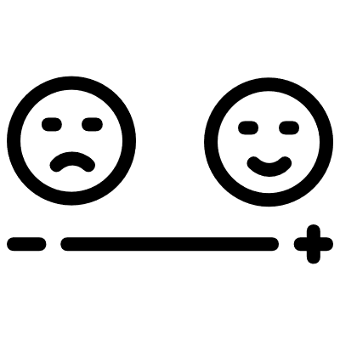
Speed Networking Prep |  | Meeting Date/Location:
 |  | Attended by:

 | If your Intention is Feedback
Attendee Knowledge | WHO fits here? | WHAT are my copy points?

Don't know me or my place
Know me, don't know my place
Don't know me, know my place
Don't know me or my place

© Kate McEnroe Consulting 2021

